Release#2
Day | Planned | Consumed | Team Availability |  |  |  | Deliverable | % Completed | Comments
1 | 13.00 | 12 | 34.00 |  |  |  | RTM | 100% | SRS is being writed again from scratch
2 | 13.00 | 12 |  |  |  |  | SRS | 100% | Reviews is remaining
3 | 19.00 | 18 |  |  |  |  | Test Cases | 100% | Waiting to finish SRS
4 | 19.00 | 18 |  |  |  |  | CMP | 100% | Updates on CMP
5 | 23.00 | 20 |  |  |  |  | PMP | 100% | Updates on PMP
6 | 29.00 | 24
7 | 34.00 | 34

Risks |  |  |  |  |  |  |  | Task ID | Task Activity | Estimated Time | Assigned to | Status
ID | Topic | Probability | Impact | Description | Handling | Actions |  | Task_01 | RTM | 2 | All team members | Completed
 |  |  |  |  |  |  |  | Task_02 | Writing Tasks | 2 | Mohamed Khedr | Completed
 |  |  |  |  |  |  |  | Task_03 | Writing SRS (Sign in + user feature + categories) | 4 | Shreen Zainab | Completed
 |  |  |  |  |  |  |  | Task_04 | Reviewing SRS (Sign in + user feature + categories) | 2 | Yara Rabee | Completed
 |  |  |  |  |  |  |  | Task_05 | Writing SRS (Sign up + admin feature) | 4 | Yara Rabee | Completed
 |  |  |  |  |  |  |  | Task_06 | Reviewing SRS (Sign up + admin feature) | 2 | Shreen Zainab | Completed
 |  |  |  |  |  |  |  | Task_07 | Applying Comments on PMP | 3 | Mohamed Khedr | Completed
 |  |  |  |  |  |  |  | Task_08 | Applying Comments on CMP | 3 | Zainab | Completed
 |  |  |  |  |  |  |  | Task_09 | Fixing the baseline in github | 2 | Zainab | Completed
 |  |  |  |  |  |  |  | Task_10 | Writing draft test cases for feature Sign in | 2 | Shreen | Completed
 |  |  |  |  |  |  |  | Task_11 | Writing draft test cases for feature categories | 2 | Yara | Completed
 |  |  |  |  |  |  |  | Task_12 | Writing draft test cases for admin features | 2 | Rabee | Completed
 |  |  |  |  |  |  |  | Task_13 | Writing draft test cases for user features | 2 | Mohamed Khedr | Completed
Issues |  |  |  |  |  |  |  | Task_14 | Writing draft test cases for feature Sign up | 2 | Zainab | Completed
ID | Initiator | Probability | Impact | Description | Handling | Actions |  |  |  | 34
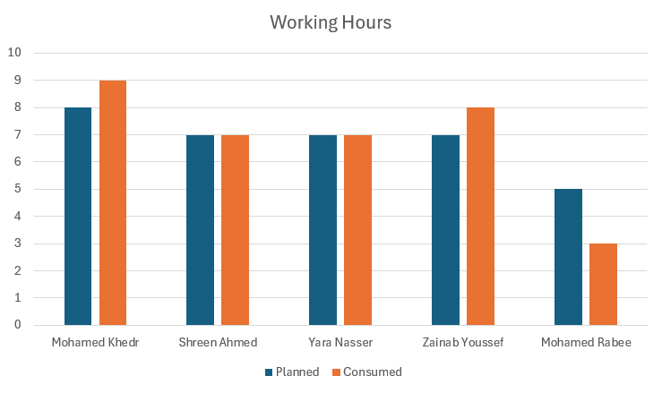
Issue_ID_1 | Mohamed Rabee | High | Major | Mohamed Rabee is going to military service this week | Mitigate
Issue_ID_2 | Team | High | Major | The team has 2 exams this week | Mitigate | Working on friday

Release#1
Day | Planned | Consumed | Team Availability |  |  |  | Deliverable | % Completed | Comments
1 | 30.00 | 30 | 55.00 |  |  |  | CRS | 100 | There is a baseline v1.0
2 | 35.00 | 36.5 |  |  |  |  | SIQ | 100 | There is a baseline v1.0
3 | 40.00 | 43 |  |  |  |  | PMP | 66 | There is a review remaining to be completed
4 | 45.00 | 49.5 |  |  |  |  | CMP | 78 | There is a review remaining to be completed
5 | 50.00 | #N/A |  |  |  |  | SRS | 90 | There is final pull request waiting to be approved
6 | 55.00 | #N/A |  |  |  |  | Risk Sheet | 95 | There is final version waiting to be approved
7 | 0.00 | #N/A |  |  |  |  | Tasks | 100 | Tasks assigend to each team member

Risks
ID | Topic | Probability | Impact | Description | Handling | Actions
Risk _ID_1 | Team Members availability | High | Critical | One of our Teammates is going to the militery by the next delivery It's not clear for us when will he come back | Mitigate | Will assign his task on 4 team members ( his task not determined yet )
Risk _ID_2 | Lack of Experience | Medium | Critical | The technicalities for building a website is not available in the team which might affect the output | Mitigate | Gaining more experience by practicing and the help of our coaches
Risk _ID_3 | Time risk due to exams | High | Major | Tight time table This might Cause stress and time pressure that will affect the progress | Accept
Risk _ID_5 | Unstability of weather conditions (Poor connection) | Medium | Minor | This might Cause Delay in the tasks | Mitigate | Instead of online meetings we will reschedule offline meetings
Risk _ID_6 | communication with customer | Medium | Major | Not availability of customer most of the time it's hard to reach to the customer at any time | Mitigate | Fixed scheduled meeting along the sprint that can't be changed or canceled

Issues
ID | Initiator | Probability | Impact | Description | Handling | Actions
Issue_ID_1 | Team | Medium | Minor | Team members are unfamiliar with github and pull request concecpt to apply which may cause delays or changing plan of reviewing | Mitigate | Watch tutorial how to pull request and started to apply it to give it a try

